1. Title Page
Project Name: Instacart Grocery Basket Analysis
Date: 3.24.2024
Analyst Name: Kayleigh Dougherty
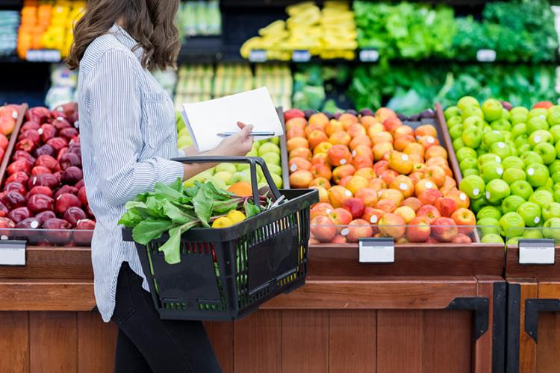

Contents:
Population Flow
Consistency checks
Wrangling steps
Column derivations
Visualizations
Recommendations

Data Source & Citations
Citation: “The Instacart Online Grocery Shopping Dataset 2017”, Accessed from https://www.instacart.com/datasets/grocery-shopping-2017 on <>3.24.2023
Data Dictionary

2. Population Flow
Population flow

Exclusion Flag
Condition: max_order < 5
Obervations to be removed: Customer PII info
2 columns: First name & Last name
Final total count of order_products_all: 3,0964,564

Orders_products_combined
Orders_products_merged
Orders_products_all

Total: 32,434,489
Total: 32,404,859
Total: 30,964,564

1.) The grey boxes in the first row of the population flow represent the original data sets as they were when you downloaded them. In the Total fields you need to add the count of the rows when you imported the data set into Jupyter.
2.) The second row of boxes (coloured) represents the data sets after you manipulated them, e.g., removed missing values and duplicates. In the Total fields you need to add the count of the rows after conducting these operations. This offers a visual oveview of how the data flows throughout the data consistency checks.
3.) The third row, where also the arrows are coloured, represents the merges you performed between the datasets. In the Total fields you need to add the count of the rows in the merged datasets, so that you end up with the final dataset (in the red box). Keep in mind the final dataset should be without exclusions (based on the exclusion flag).

3. Consistency checks
 |  |  |  | Title page
Consistency checks

Dataset | Missing values | Missing values treatment | Duplicates
orders | 0 missing | Created a new subset w/o missing values | 0
products | 16 missing | removed and added to subset | 5
 | 2 items had incorrect prices | new prices added
orders_products_prior | 0 missing | N.a | 0
customers |  | N.a | 0

4. Wrangling steps
 |  |  |  | Title page
Wrangling steps

Columns dropped | Columns renamed | Columns' type changed | Comment/Reason
eval_set |  |  | Not necessary to analysis
 | order_dow = orders_day_of_week |  | New title gives more clarity
 |  | Order_id changed to str
 | department_id transposed |  | index was header
 |  | user_id changed to str
 | orders_day_of_Week to Order_day_of_week
unnamed column in ords | dropped |  | duplicated/not needed column
drop surname
drop first name
 | Gender to gender
 | STATE to state
 | Age to age
 | n_dependants to number_dependeants
 | fam_status to family status

5. Column derivations
In this tab you should add tables below that the frequences of flags/label variables that you produced after deriving them. NB: don't do this for continuous variables, only for flags.
 |  |  |  | Title page

Column derivations and aggregations

Dataset | New column | Column/s it was derived from | Conditions
orders_products_merged.pkl | price_range | prices | High range product= >15 Low range product= <= 5 Mid range product = >5 & <=15
orders_products_merged.pkl | busiest_day | orders_day_of_week | Busiest day = 0 Least busy= 4 Regularly busy= else
orders_products_merged.pkl | busiest_days | orders_day_of_week | Busiest days= 0 or 1, Slowest days = 4 or 3, Regularly busy= else
orders_products_merged.pkl | busiest_period_of_day | order_hour_of_day | Fewest orders= 1,2,3,4,5,6,23 Most orders= 9,10,11,12,13,14,15,16 Avg orders= else
orders_products_merged.pkl_update.pkl | loyalty_flag | user_id & aggregated values from order_number | Loyal customer= >40, New customer= <= 10, Regular customer= >10 & <=40
orders_products_merged.pkl_update.pkl | spending_flag | user_id & aggregated max values of prices | Low spender= <10, High spender= >=10
orders_products_merged.pkl_update.pkl | Age group | age | Youth: 18-39 Middle Aged: 40-64 Senior: 65+
orders_products_merged.pkl_update.pkl | order_freq_flag | user_id & aggregated vby days_since_prior_order | Nonfrequent customer= >20, Frequent Customer= <=10, Regular customer= >10& <=20
 | merged before customers | Orders products departments
 | region | state | 'Northeast' : 'Maine', 'New Hampshire', 'Vermont', 'Massachusetts', 'Rhode Island', 'Connecticut', 'New York', 'Pennsylvania', 'New Jersey 'Midwest' : 'Wisconsin', 'Michigan', 'Illinois', 'Indiana', 'Ohio', 'North Dakota', 'South Dakota', 'Nebraska', 'Kansas', 'Minnesota', 'Iowa', 'Missouri' 'South' : 'Delaware', 'Maryland', 'District of Columbia', 'Virginia', 'West Virginia', 'North Carolina', 'South Carolina', 'Georgia', 'Florida', 'Kentucky', 'Tennessee', 'Mississippi', 'Alabama', 'Oklahoma', 'Texas', 'Arkansas', 'Louisiana' 'West' : 'Idaho', 'Montana', 'Wyoming', 'Nevada', 'Utah', 'Colorado', 'Arizona', 'New Mexico', 'Alaska', 'Washington', 'Oregon', 'California', 'Hawaii'
 | exclusion flag | max order | Low activity= <5, High actiivity= else
 | profile | age,income, department_id, number_of_dependants, family_status & order_hour_of_day

6. Visualizations
In this tab you should include all the visualtions from Exercises 4.9 and 4.10, alongside the questions from the project brief that they answer. Include any commentary on the relationship between different variables.
 |  |  |  |  | Title page

Visualisations

The sales team needs to know what the busiest days of the week and hours of the day are (i.e., the days and times with the most orders) in order to schedule ads at timeswhen there are fewer orders.

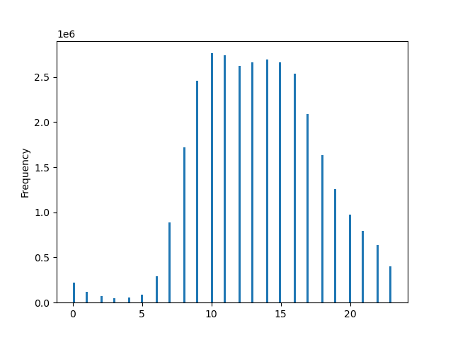
Order Hour of Day

Order Day of Week
Spending Habits by Day of Week
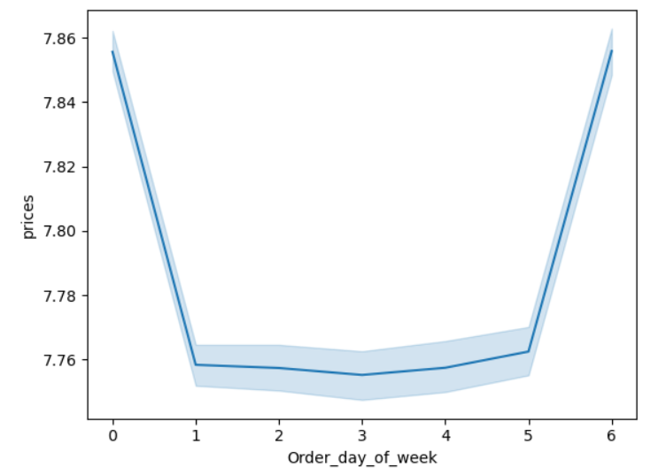

Orders Placed (in Millions)

24 hours
Day of Week

Based on our analysis above Saturday and Sunday are the busiest days of the week (0 & 1) while Tuesday and Wednesday (3, 4) are the slowest days. 9 am to 4pm are the busiest times of the day.

They also want to know whether there are particular times of the day when people spend the most money, as this might inform the type of products they advertise at these times.

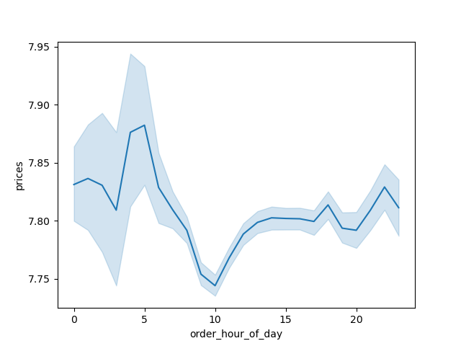
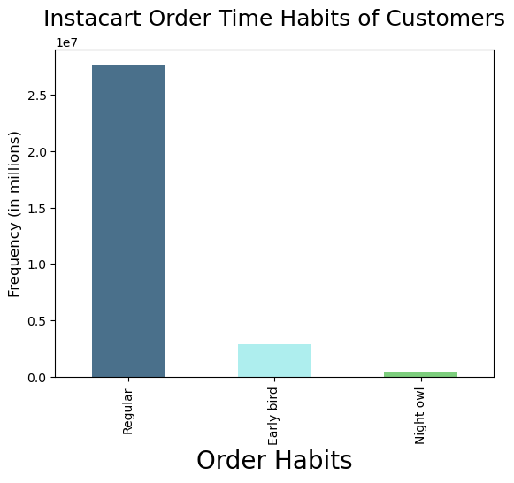
Order Hour of Day
Spending Habits by Time of Day

24 hours

The most popular times when customers spend money is between 9 am and 4 pm. We grouped the different time period into 3 categories. Regular from 9am -4pm, Night owl from 11 pm to 5 am and Early bird being 6 am to 8 am. Regular hours accounted for the majority of sales. Purchase prices remain consistent for the majority of the day minus the 5 am peak and 10 am low.

Instacart has a lot of products with different price tags. Marketing and sales want to use simpler price range groupings to help direct their efforts


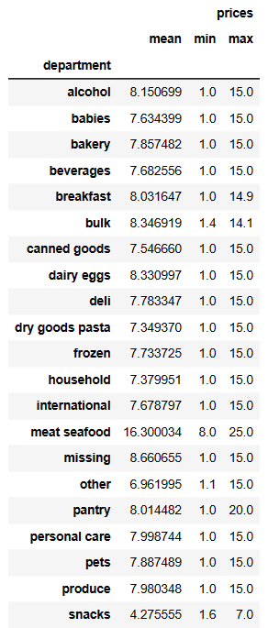
Product Prices

Price Grouping Categories
<= 5: Low Range Products
>5 & <= 15: Mid Range Product
>15: High Range Product

Price of Items (USD)

 | Instacart products range from $1 to $25. The majority of items cost less than $15. Based on our findings we grouped the products into three categories: Low range, Mid range, and High range products. Meat/Seafood has a higher than averge product range.

Are there certain types of products that are more popular than others? The marketing and sales teams want to know which departments have the highest frequency of product orders.

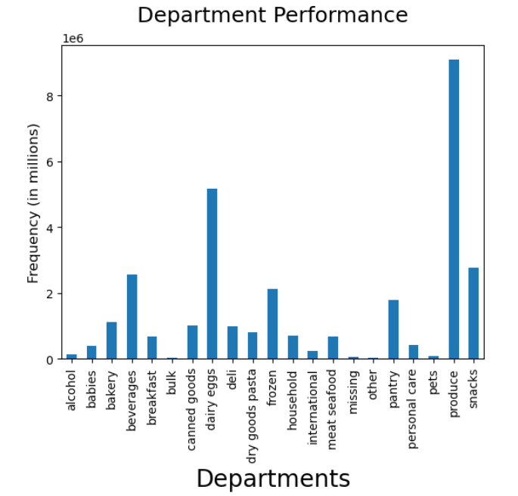
Order Counts by Department

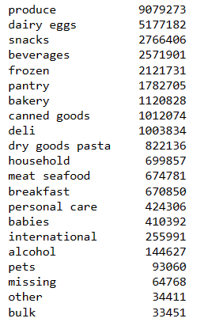

 |  |  |  |  | When comparing Departments order counts, Produce, Dairy/eggs, and snacks are the top performing department/products.

What’s the distribution among users in regards to their brand loyalty (i.e., how often do they return to Instacart)?

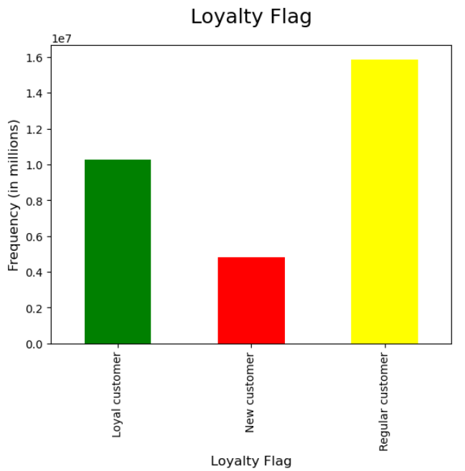
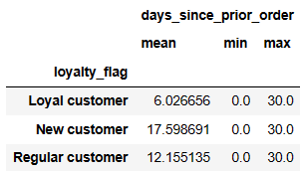

Loyalty Flag Groupings
<= 10: New Customer
>10 & <= 40: Regular Customer
> 40: Loyal Customer

 |  |  |  |  |  | After grouping customers into the different loyalty flags we were able to understand how often these loyalty members were returning. Most loyalty customers return within a 6 day average, meaning they are shopping on a weekly basis. Regular customers return every 12 days while new customers are coming around every 17 days.

Are there differences in ordering habits based on a customer’s loyalty status?

Loyalty Flag across Departments
 | Loyal customer | New customer | Regular customer
alcohol | 38723 | 28629 | 77275
babies | 167108 | 46708 | 196576
bakery | 379873 | 172104 | 568851
beverages | 855017 | 396649 | 1320235
breakfast | 221577 | 106179 | 343094
bulk | 13834 | 4149 | 15468
canned goods | 294594 | 180196 | 537284
dairy eggs | 1830707 | 750056 | 2596419
deli | 324046 | 158335 | 521453
dry goods pasta | 242580 | 144836 | 434720
frozen | 609460 | 372271 | 1140000
household | 196873 | 128117 | 374867
international | 78394 | 43841 | 133756
meat seafood | 202480 | 112464 | 359837
missing | 18350 | 12713 | 33705
other | 10715 | 5839 | 17857
pantry | 560402 | 299576 | 922727
personal care | 123365 | 75442 | 225499
pets | 25469 | 15880 | 51711
produce | 3147376 | 1336604 | 4595293
snacks | 943150 | 413107 | 1410149
 |  |  |  | When reviewing our three customer groups across all departments there is not much difference in their ordering habits. In the visual to the left, it demonstrates how ordering habits remain consistent through the departments. One callout would be the amount of bulk orders through the Loyalty customers where they make up 40% of all bulk sales.

Are there differences in ordering habits based on a customer’s region?

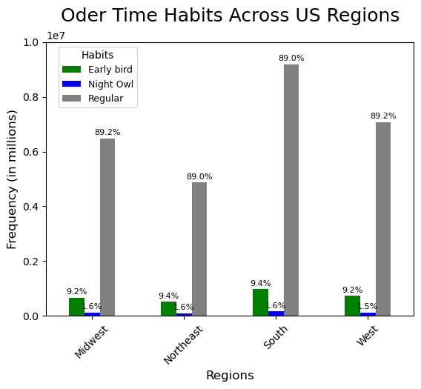
Order Time Habits Across US Regions

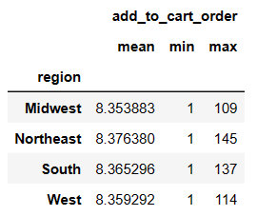



In order to properly analyze the data we needed to view the US states by region so we grouped Instacart customers into four groups, Midwest, Northeast, South, and West. When comparing the regions order counts we can see that the South drives more revenue. We broke down the customer base further, splitting Instacart's customrs into two groups, High spender and Low spender. The South again, has the highest amount of high spenders and low spenders. However when looking at Order habits across the regions, it still remains strong that Instacart customers are still mainly purchasing during regular hours.

Is there a connection between age and family status in terms of ordering habits?

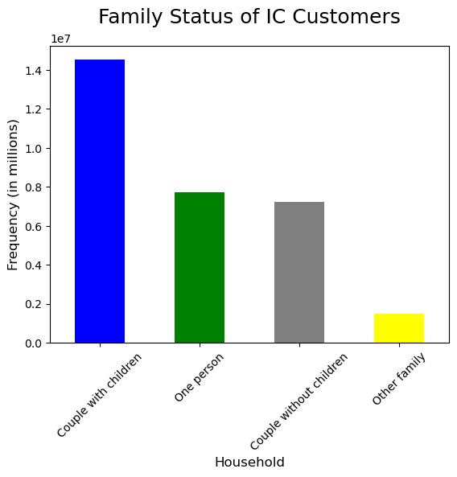
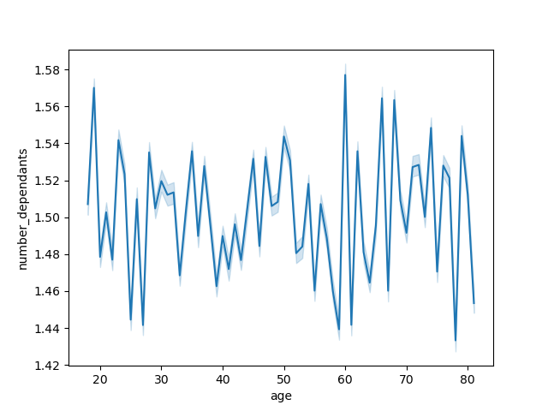
Instacart Age and Number of Dependants
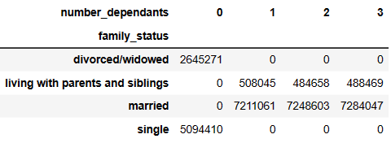

 |  |  |  |  |  |  |  | There are more purchases from customers with dependants than those without dependants.

What different classifications does the demographic information suggest? Age? Income? Certain types of goods? Family status?

 |  |  | Age

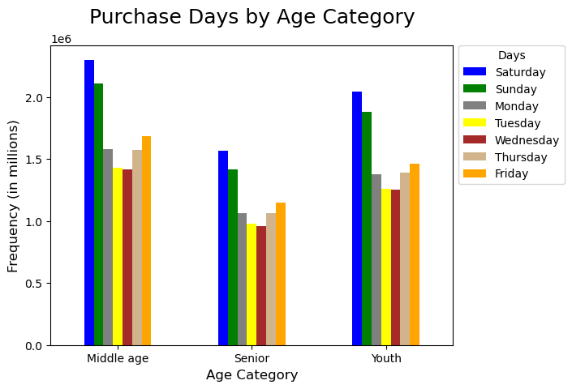

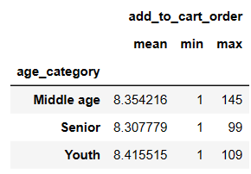

When reviewing the customers we broke them down into three categories of Youth (18-39), Middle Age (40-64) and Senior(65+). Once we categorized the different age groups, we were able to analyze their trends. Although the middle aged group has the highest amount of order counts, Youths actually spend slightly more when comparing their averages. The busiest days of the weekend AKA the weekend, still tends to be the busiest days across all age groups.

 |  |  | Income


Instacarts Customers Age and Income
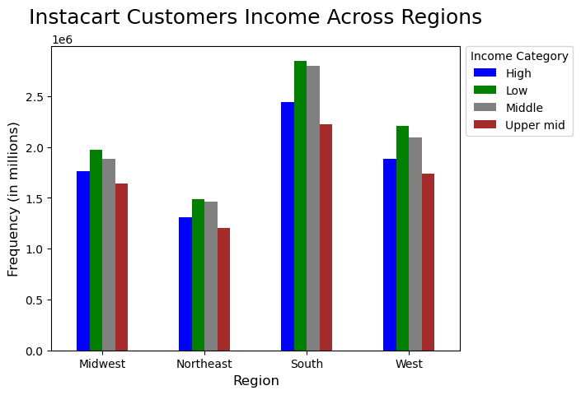
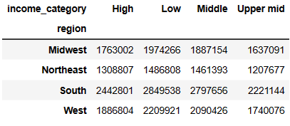

 |  |  |  |  |  |  |  |  | Income Categories Low income being <$70K, Middle being >=$70K & <$120K, and High being over $120K.

 |  | When reviewing Instacart's customers' income we found the lowest salary to be $25K USD and the highest being $593K USD so we broke the income levels into three categories. Majority of the higher incomes are customers over the age of 40. We do see higher rates of customers across all income categories in the South.

 |  |  | Family Status

 |  |  |  |  |  |  | When reviewing data based on family status it becomes clear that Instacart's customer base mainly has dependants. Instacart's top customer are families aka customers with dependants.

 |  |  | Certain Goods

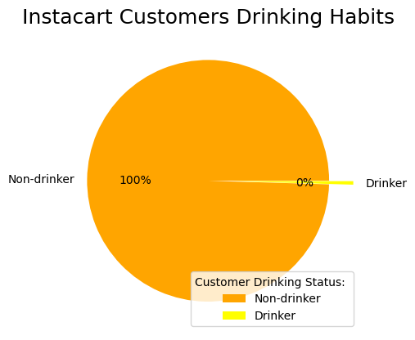
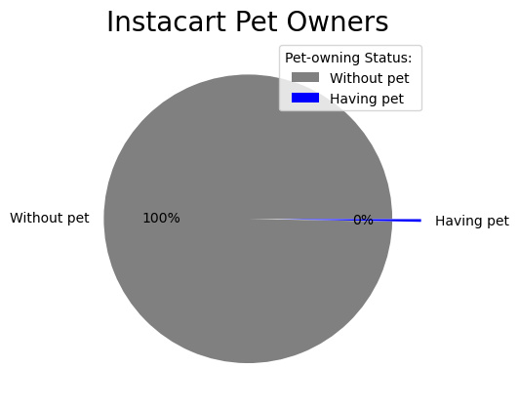
 |  |  |  |  |  |  |  | Almost every Instacart Customer has purchased Alocohol or a product from the Pet department. Therefore Instacart should be catering to these two groups. Running promotions on products within these departments would generate further revenue.

7. Recommendations
 |  | Title page

Recommendations

In this tab you should include any recommendations you would made to Instcart in terms of their marketing strategy based on the questions posed in the brief. Every key question has been covered in the Tasks of the Exercises - here you need to add an item - a visualisation or table/crosstable that is showing the answer in the data, acompanied by a comment from you. Please, list the questions below and add the answer underneath.

Question | Answer
The sales team needs to know what the busiest days of the week and hours of the dayare (i.e., the days and times with the most orders) in order to schedule ads at timeswhen there are fewer orders. | Saturday and Sunday are the busiest days of the week while Tuesday and Wednesday are the slowest. 9 am - 4pm remain the busiest hours with 10 am being the busiest time of day. It would be recommended to distribute promotions and deals Thursday in order to drive further reveneue over the weekend. This promotion should include any weekend deals Instacart may be running.
They also want to know whether there are particular times of the day when people spend the most money, as this might inform the type of products they advertise at these times. | 9 am to 4 pm are Instacart's peak hours where Instacart customers are spending the majority of money. Purchase prices remain mostly consistent throughout the day minus the exception of a peak at 5 am and a low at 10 am.
Instacart has a lot of products with different price tags. Marketing and sales want to use simpler price range groupings to help direct their efforts | Prices range from $1 - $25 with the majority of products being under $15. To create simpler price ranges, they have been grouped together in 3 categories, Low range, Mig-range, and High Range. Majority of products fall in line with the low to mid range product groups. Majority of products are under $15 dollars so marketing should be focusing on the low to mid range products.
Are there certain types of products that are more popular than others? The marketing and sales teams want to know which departments have the highest frequency of product orders. | The top performing departments are produce, dairy/eggs, and snacks. To further drive revenue it would be recommended to provide promotions/ deals on these products as they are top sellers.
What’s the distribution among users in regards to their brand loyalty (i.e., how often do they return to Instacart)? | Instacart customers have been broken down into three groups based on their activity/ order counts. Loyalty customers return every 6 days which means these customers are shopping on a weekly basis. This should be considered if Instacart wanted to create a Loyalty program. However, Regular customers make up the majority of their customer base and they come back every 12 days. Instacart's marketing department should take advantage of these dormant periods to produce deals and discounts to get more regular customers who buy every week and a half.
Are there differences in ordering habits based on a customer’s loyalty status? | There does not seem to be any differences on ordering habits when viewing based on the loyalty flags. One callout would be the loyalty customers making up 40% of the bulk orders. It would be recommended that if a loyalty program was started, its main focus should be bulk items.
Are there differences in ordering habits based on a customer’s region? | When reviewing Instacart's customers based on their geographical location in the US it becomes clear that the South of the US regions have the highest customer base. Therefore Instacart should be focusing on making sure Southern locations have proper inventory and promotions.
Is there a connection between age and family status in terms of ordering habits? | Instacart's top customers are customers with dependants which makes it clear that any promotions should be directed to families. It makes sense that snacks are one of the top performing departments since we see such a high rate of dependants. To further drive revenue it is recommended that promotional items should be snacks with a focus on families.
What different classifications does the demographic information suggest? Age? Income? Certain types of goods? Family status? | Instacarts top customer based on age is the middle aged group which is great because most of their customers have greater income when over the age of 40. This makes this a great targeting group. Although Instacart has customers across all income groups, the majority of customers make over $400k. When looking at family status, most of Instacart customers have dependedants. Alcohol and pet products have been sold to almost every Instacart customer.
What differences can you find in ordering habits of different customer profiles? Consider the price of orders, the frequency of orders, the products customers are ordering, and anything else you can think of. | Majority of Instacart customers have purchased alcohol at some point and have purchased products from the pet department.
FINAL RECOMMENDATION | Based on recent sales patterns, Instacart should focus on families with higher income based in the Southern regions. Promotions should be focused on Mid to low range products with a targeted point on produce, dairy/eggs, snacks, alcoholic products, and pet products. Promotions should be distributed on Thursdays to further generate revenue on the busiest days of the week, the weekend. Peak hours are 9 am to 4 pm and this should be taken into consideration if there is ever any flash discounts that marketing may want to offer. In order to continue pushing successful revenue on the weekends, inventory should be ready for Friday.

Sheet2
loyalty_flag | alcohol | babies | bakery | beverages | breakfast | bulk | canned goods | dairy eggs | deli | dry goods pasta | frozen | household | international | meat seafood | missing | other | pantry | personal care | pets | produce | snacks
Loyal customer | 38723 | 167108 | 379873 | 855017 | 221577 | 13834 | 294594 | 1830707 | 324046 | 242580 | 609460 | 196873 | 78394 | 202480 | 18350 | 10715 | 560402 | 123365 | 25469 | 3147376 | 943150
New customer | 28629 | 46708 | 172104 | 396649 | 106179 | 4149 | 180196 | 750056 | 158335 | 144836 | 372271 | 128117 | 43841 | 112464 | 12713 | 5839 | 299576 | 75442 | 15880 | 1336604 | 413107
Regular customer | 77275 | 196576 | 568851 | 1320235 | 343094 | 15468 | 537284 | 2596419 | 521453 | 434720 | 1140000 | 374867 | 133756 | 359837 | 33705 | 17857 | 922727 | 225499 | 51711 | 4595293 | 1410149

Loyalty Flag across Departments

